Pin Mapping
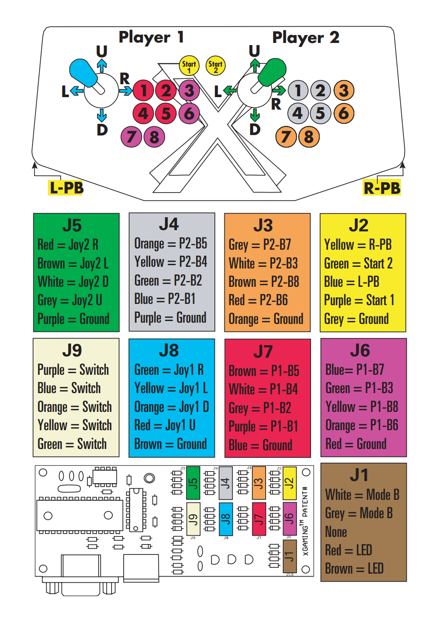
Pins | Wire | jsTest
J2-1 | R-PB | P1 - Button 7
J2-2 | Start2 | P1 - Button 6
J2-3 | L-PB | P2 - Button 7
J2-4 | Start 1 | P2 - Button 6
J2-5 | Ground
J3-1 | P2-B7 | Player 2 - Axes 5
J3-2 | P2-B3 | Player 2 - Axes 2
J3-3 | P2-B8 | Player 2 - Button 5
J3-4 | P2-B6 | Player 2 - Button 4
J3-5 | Ground
J4-1 | P2-B5 | Player 2 - Button 2
J4-2 | P2-B4 | Player 2 - Button 3
J4-3 | P2-B2 | Player 2 - Button 0
J4-4 | P2-B1 | Player 2 - Button 1
J4-5 | Ground
J5-1 | Joy2 R | Player 2 - Axes 7 Neg
J5-2 | Joy2 L | Player 2 - Axes 7 Pos
J5-3 | Joy2 D | Player 2 - Axes 6 Neg
J5-4 | Joy2 U | Player 2 - Axes 6 Pos
J5-5 | Ground
J6-1 | P1-B7 | Player 1 - Axes 5
J6-2 | P1-B3 | Player 1 - Axes 2
J6-3 | P1-B8 | Player 1 - Button 5
J6-4 | P1-B6 | Player 1 - Button 4
J6-5 | Ground
J7-1 | P1-B5 | Player 1 - Button 2
J7-2 | P1-B4 | Player 1 - Button 3
J7-3 | P1-B2 | Player 1 - Button 0
J7-4 | P1-B1 | Player 1 - Button 1
J7-5 | Ground
J8-1 | Joy1 R | Player 1 - Axes 7 Neg
J8-2 | Joy1 L | Player 1 - Axes 7 Pos
J8-3 | Joy1 D | Player 1 - Axes 6 Neg
J8-4 | Joy1 U | Player 1 - Axes 6 Pos
J8-5 | Ground
J9-1 | ? | None
J9-2 |  | None
J9-3 |  | None
J9-4 |  | None
J9-5 | Ground

